CollectiveAccess
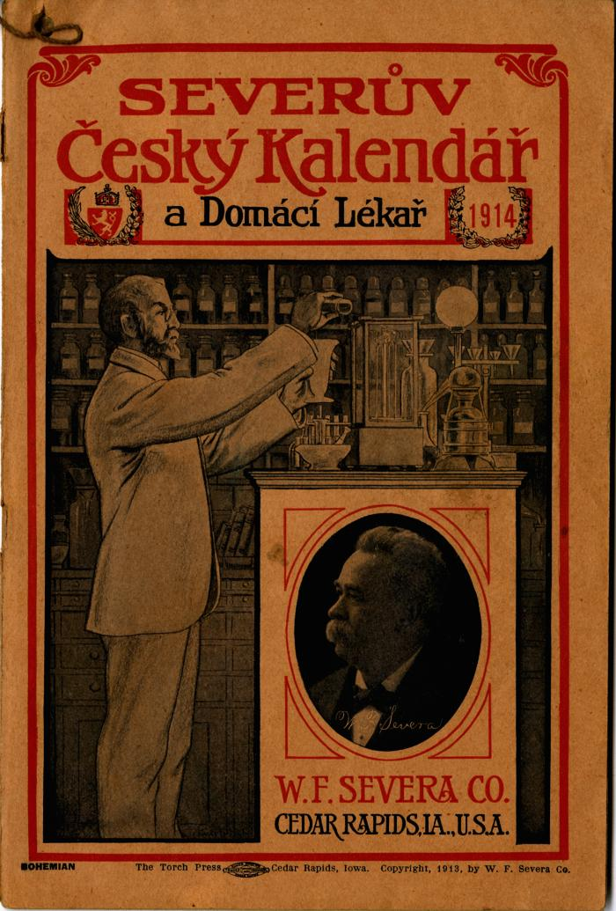
Image | Object | Description | Date
 | Severův Česky Kalendar a Domácí Lékař 1914 (2025.69.02) | Consisting mostly of self-promotion, medical information, home remedies, the publication functioned as a calendar, but more prominently as promotional material for Severa's products. The publication was supposedly free at any participating pharmacy, potentially including Chas. Wilhelm & Co. store, a dealer in Severa's products in Traverse City, Michigan.

