CollectiveAccess
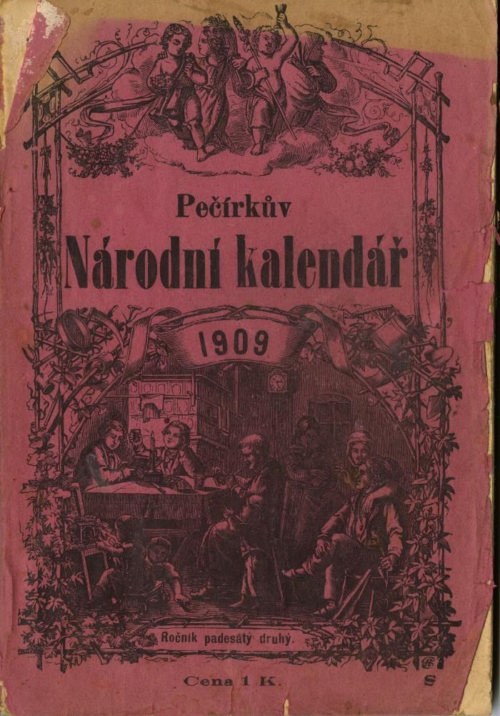
Image | Object | Description | Date
 | Pečírkův Národní Kalendář 1909, vol. 52 (2025.69.03) | A Czech periodical was first published in 1865 and founded by Czech physician and educator Josef Pečírka. After Pečírka's death in 1904, the calendar was then published by his wife, Marianna Pečírková, then their children until 1949. The 1909 edition of the Pečírkův Národní Kalendář includes a calendar and various stories with illustrations.

