CollectiveAccess
Image | Object | Description | Date
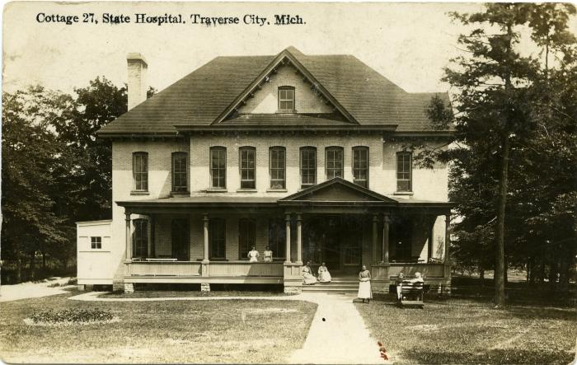 | Cottage 27, State Hospital, Traverse City, Mich., Photographic Postcard, circa 1911-1922 (2016.16.18.212)
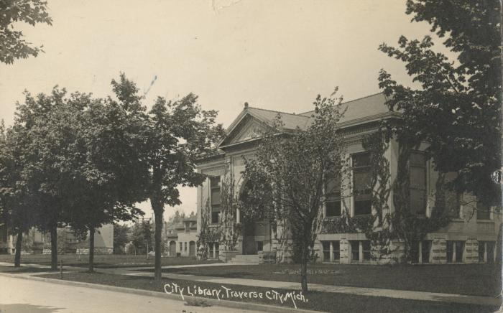 | City Library, Traverse City, Michigan , Photographic Postcard, 1925 February 5 (2024.16.18.074)

