CollectiveAccess
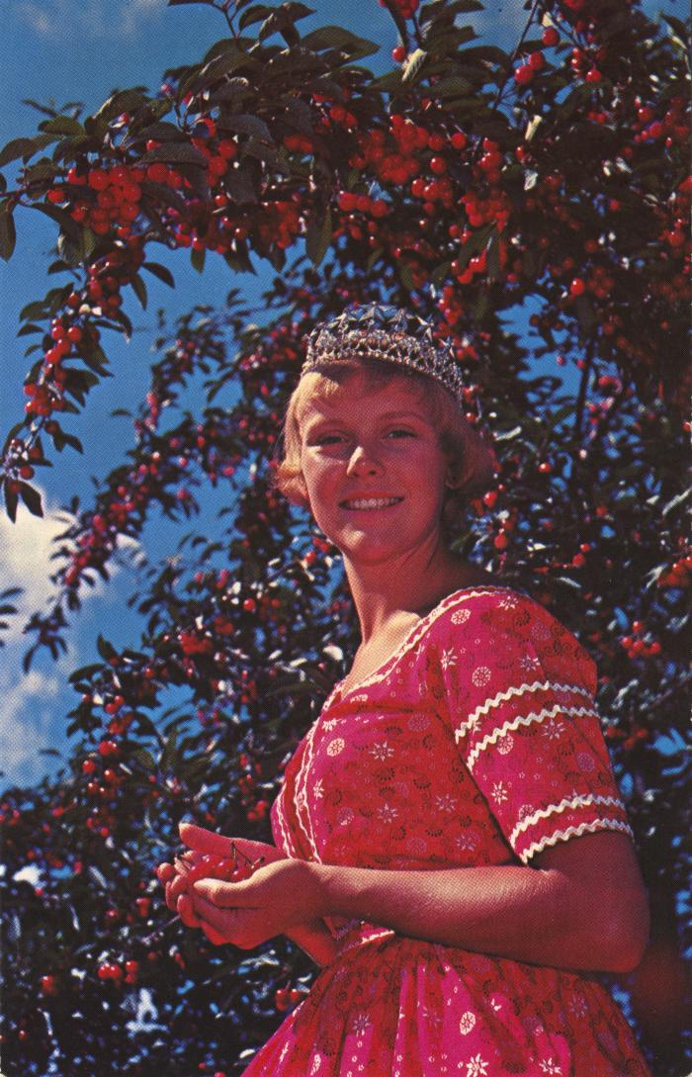
Image | Object | Description | Date
 | National Cherry Festival Queen at Cherry Festival Time in Traverse City, Michigan Postcard, 1957-1958 (2024.16.06.108) | Color photochrome postcard distributed by The Camera Shop, Traverse City, Mich. of Kay Lahym, National Cherry Queen of 1957-1958.
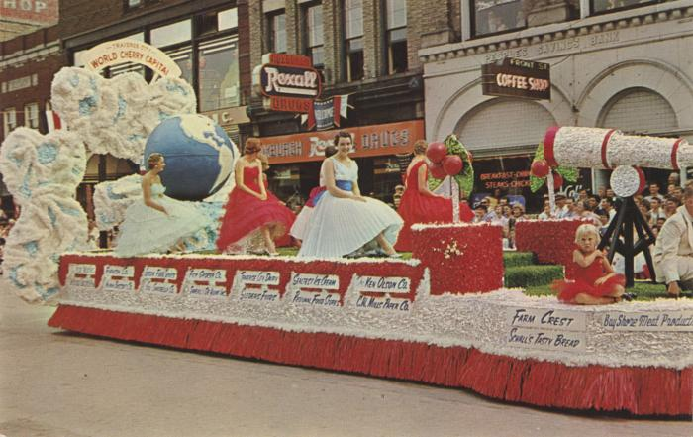 | Grand Floral Parade Nat'L Cherry Festival, National Cherry Festival Postcard, 1960 (2024.16.06.112) | Color photochrome postcard of a parade float in the 1960 National Cherry Festival Parade on Front Street. In the background are the Roxburgh Drugs and Front St. Coffee Shop store fronts.

