CollectiveAccess
Image | Object | Description | Date
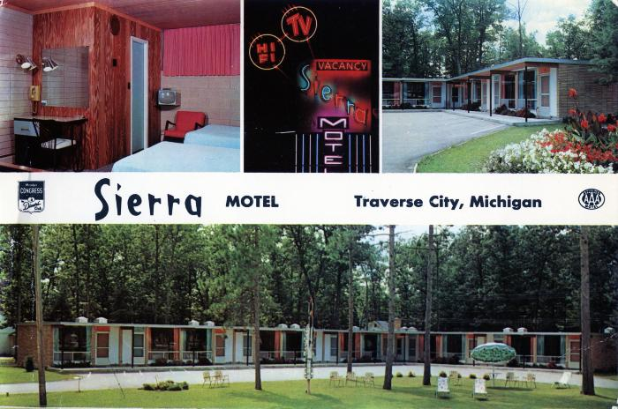 | The Luxurious Sierra Motel, Traverse City, Michigan Giant Postcard, 1950-1951 (2024.16.07.244) | Color oversize postcard of Sierra Motel located on U.S. 31 North in Traverse City, Michigan, at the time owned by Arthur and Vendla Peterson. The postcard was manufactured by Dexter Press in West Nyack, New York.

