CollectiveAccess
Image | Object | Description | Date
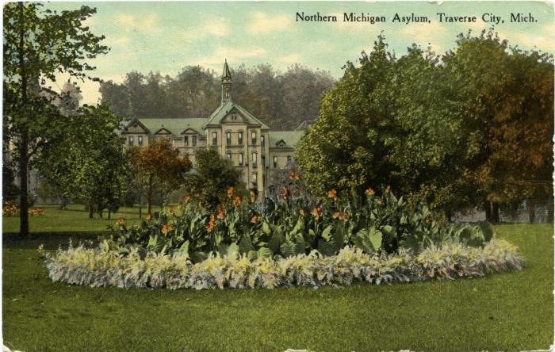 | Northern Michgian Asylum, Traverse City, Mich. Postcard, 1910 September 29 (2024.16.13.155)
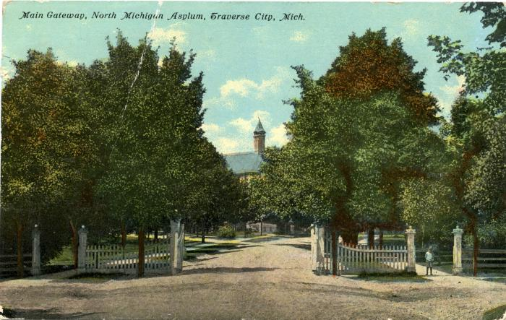 | Main Gateway, North Michigan Asylum, Traverse City, Mich. Postcard, 1911 May 22 (2024.16.13.180)

