CollectiveAccess
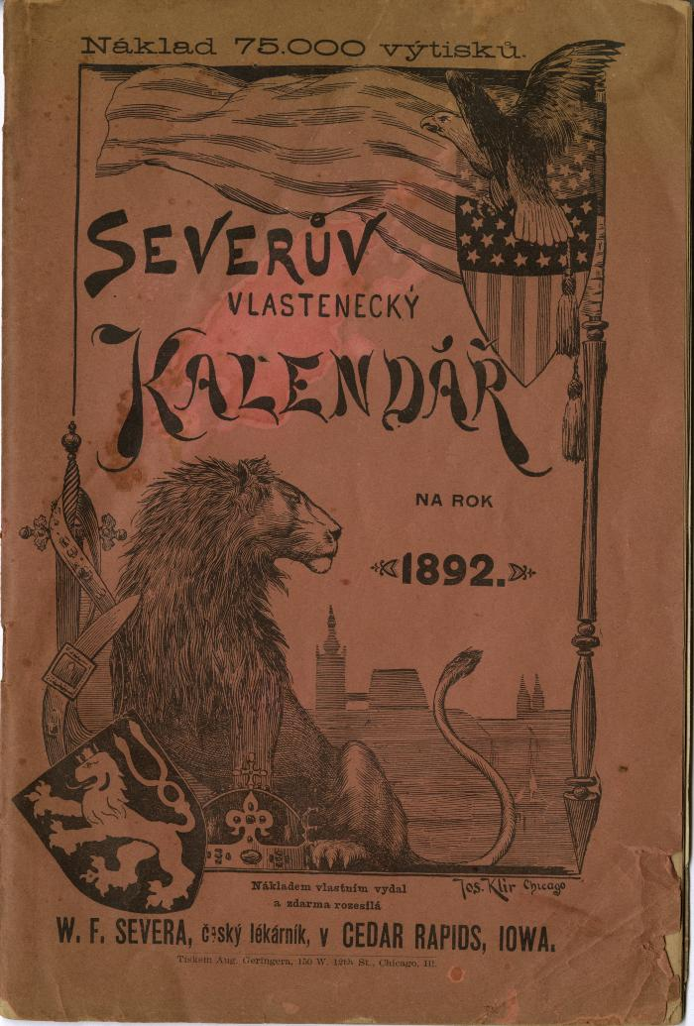
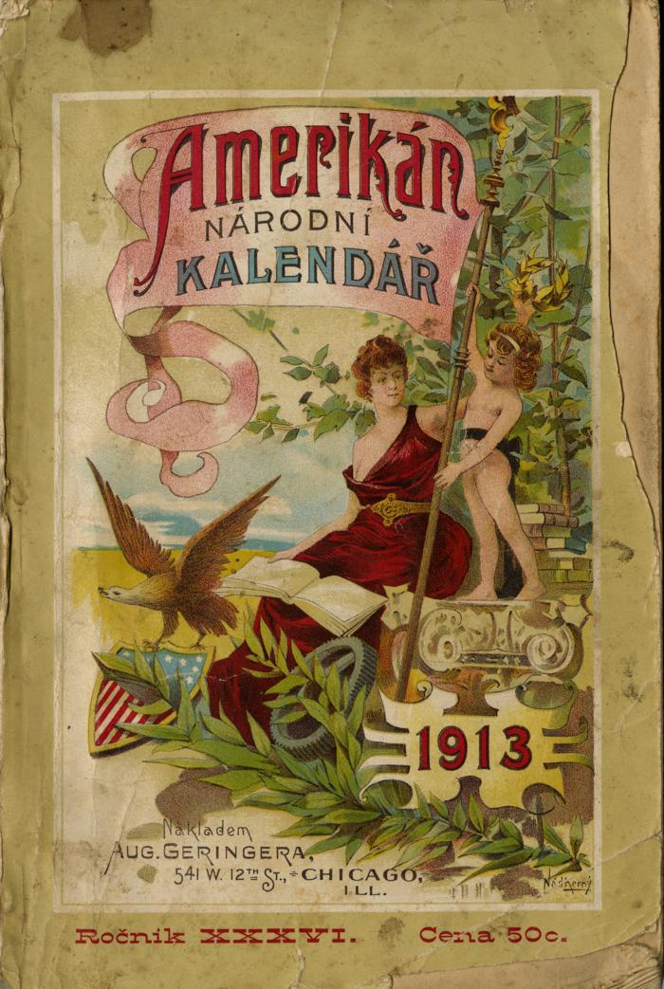
Image | Object | Description | Date
 | Severův Vlastenecký Kalendář Na Rok 1892 (2025.69.01) | Published by pharmacist W. F. Severa of Cedar Rapids, Iowa in 1892. The self described purpose of the publication was for the "benefit of Czech Slavic families in America as a reliable guide for many illnesses." Consisting mostly of self-promotion, medical information, home remedies, the publication functioned as a calendar, but more prominently as promotional material for Severa's products. The publication was supposedly free at any participating pharmacy, potentially including F. Furtsches store, a dealer in Severa's products in Traverse City, Michigan. Slogan was "Lepši malá pomoc nežli velká nemoc!" (Better a little help than a big illness).
 | Amerikán Národní Kalendář 1913, vol. 36 (2025.69.04) | The Amerikán Národní Kalendář was a periodical first published in 1878 by August Geringer. Published yearly, the publication was often read by Czech-Americans for entertainment, calendars such as this one often replaced books for Czech immigrants and influenced their cultural life. The Amerikán Národní Kalendář includes a calendar for the year 1913, helpful resources (measurements, nutrients of vegetables) advertisements for czech businessnesses (mostly in Chicago, Illinois), short stories, poems, illustrations, recipes, candidates for the presidency and vice-presidency (with illustrations), Laws in the northwestern states on hunting and fishing.
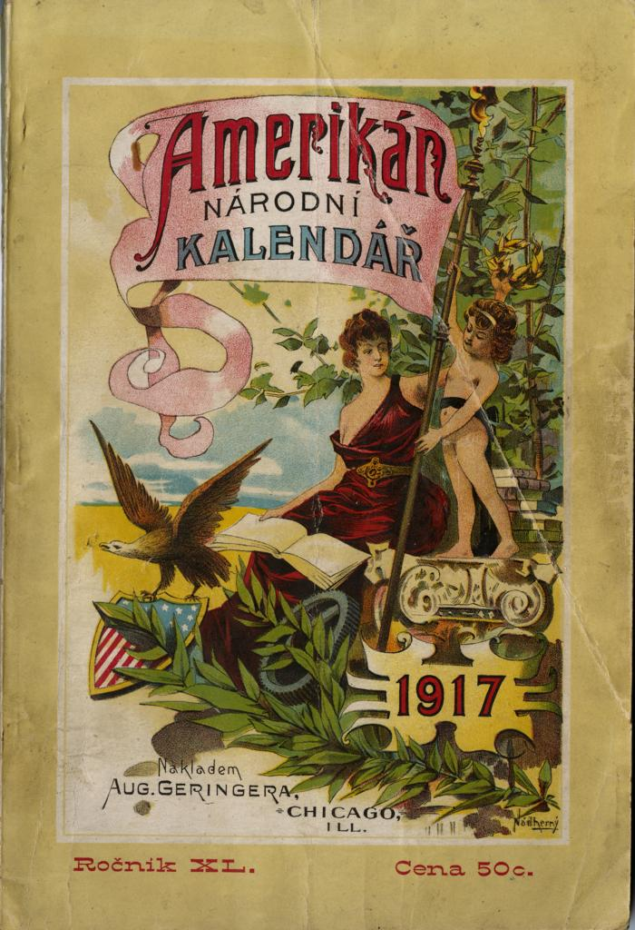
 | Amerikán Národní Kalendář 1917, vol. 40 (2025.69.05) | The Amerikán Národní Kalendář was a periodical first published in 1878 by August Geringer. Published yearly, the publication was often read by Czech-Americans for enterainment, calendars such as this one often replaced books for Czech immigrants and influenced their cultural life. Besides a calendar, the 1917 edition of the Amerikán Národní Kalendář ? includes articles relating to the presidential candidates for the 1916 national elections, World War I, information about United States laws, in addition to memoirs, poems, travel articles, and human interest stories.

