CollectiveAccess
Image | Object | Description | Date
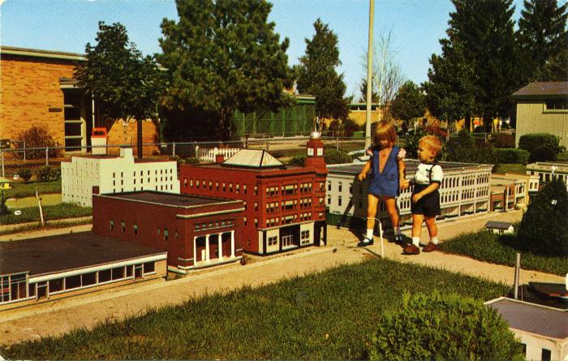 | Miniature City at Duncan L. Clinch Park Postcard, undated (2024.16.08.049) | Color photochrome postcard of two children walking in the scaled model city at Clinch Park.

