CollectiveAccess
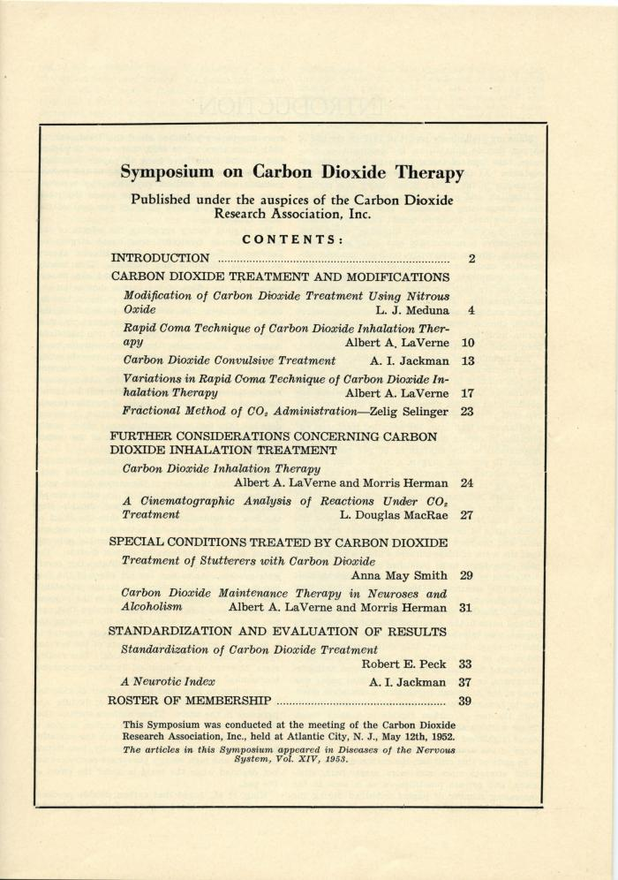
Image | Object | Description | Date
 | Carbon Dioxide Research Association, 1952-1954 (2018.39.03.08) | Papers related to Wilcox's membership in the Carbon Dioxide Research Association in the early 1950s. Includes correspondences with J. L. Meduna.

