CollectiveAccess
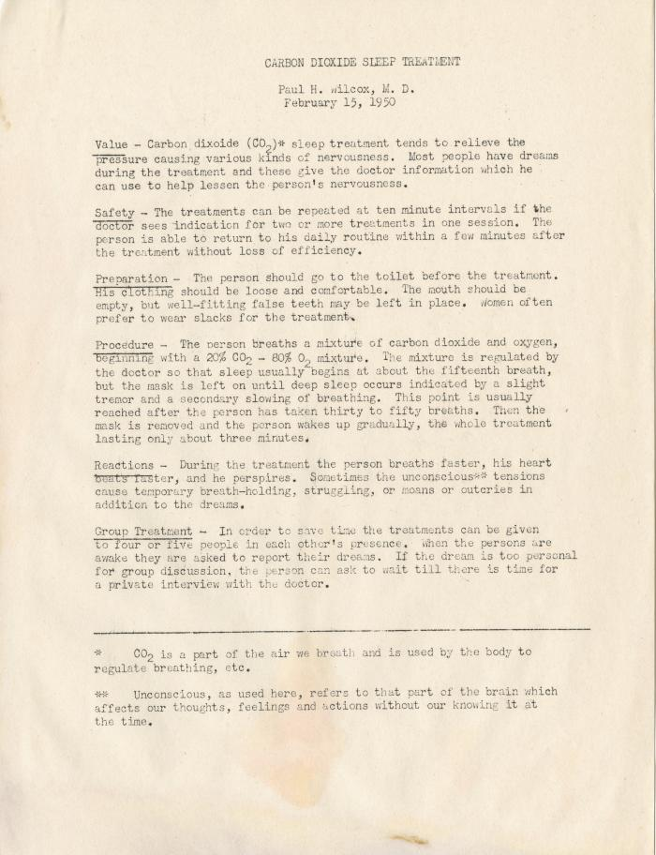
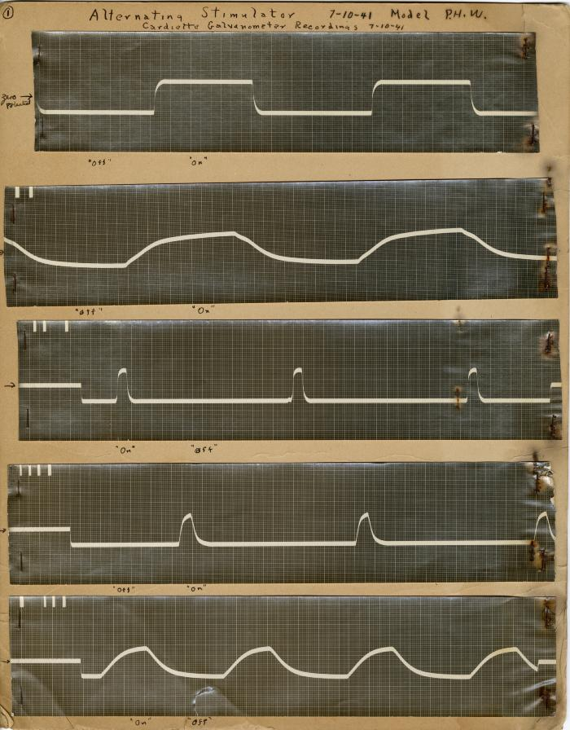
Image | Object | Description | Date
 | Carbon Dioxide Sleep Treatment (2018) | One manuscript from 2018.39.01.05.
 | Alternating Stimulator- Cardiette Galvanometer Recordings 7-10-1941 (2018.39.01b)
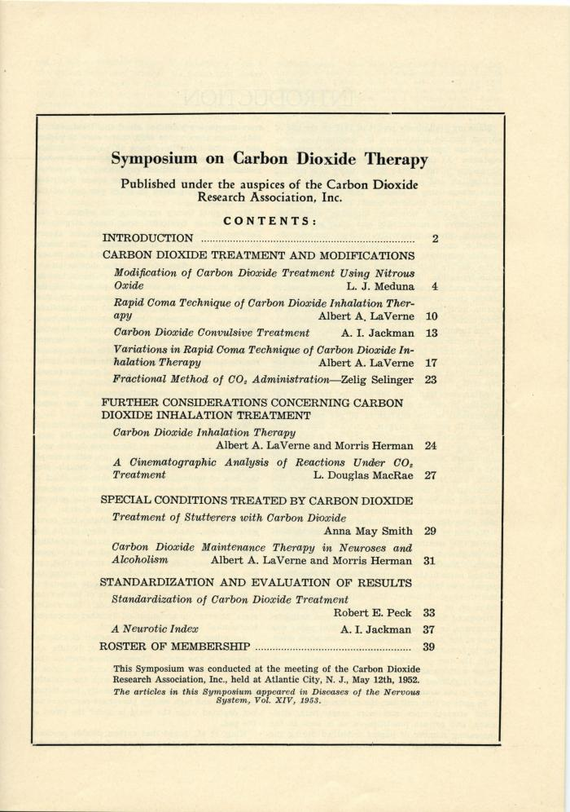
 | Carbon Dioxide Research Association, 1952-1954 (2018.39.03.08) | Papers related to Wilcox's membership in the Carbon Dioxide Research Association in the early 1950s. Includes correspondences with J. L. Meduna.
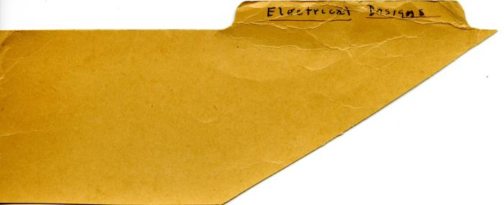 | Electroshock Designs, 1941-1942 (2018.39.03.11) | A collection of papers related to electro-shock instruments.
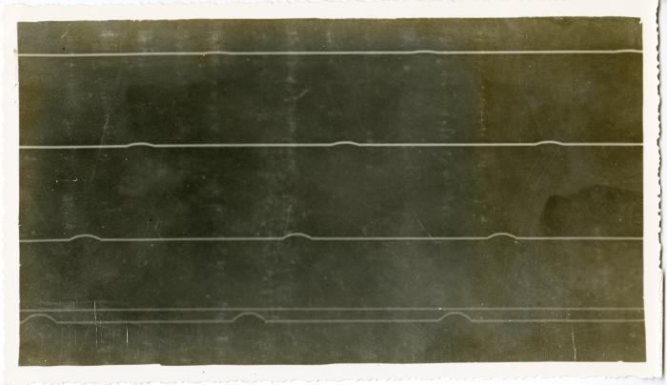 | Electroshock Designs, Galvano Faradie Instrument for Dr. Yakovlev Folders (2018.39.03.12a-c) | A collection of papers related to the development of an galvano faradie instrument, most likely Paul H. Wilcox began work on the instrument for Dr. Yakovlev while working at the Metropolitan State Hospital in Waltham, Massachusetts electro-shock instrument.

